DASHBOARD 1
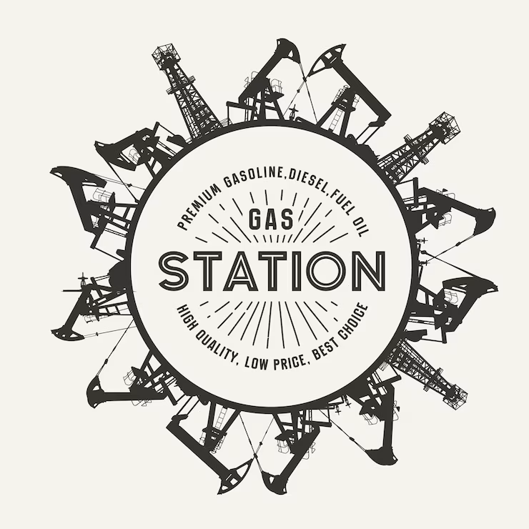
Production Performance Analysis Dashboard

285,124
Units Produced
 | Total
Brass | 39
Nembe | 34
Ekeremor | 29
Southern Ijaw | 20
113
Employees
 | Total
Brass | 63.3
Nembe | 61.5
Southern Ijaw | 49.9
Ekeremor | 47.6
AVG HRS WORKED
 | Total
Brass | 709
Nembe | 685
Southern Ijaw | 550
Ekeremor | 522
AVG Units Produced
56.8
630.81

₦220,395,000
Production Cost

 | Total
Ekeremor | ₦526,381
Southern Ijaw | ₦500,625
Nembe | ₦472,258
Brass | ₦465,140
AVGCost/Location
Brass | 1.55 | 0.15
Ekeremor | 0.76 | 0.94
Nembe | 1.18 | 0.52
Southern Ijaw | 0.69 | 1.01
AVG Train Hrs
UPL ACHIEVED
UPL TARGET
 | Total
Nembe | 7.3
Brass | 7.1
Southern Ijaw | 4.2
Ekeremor | 3.7
AVG OverTm Hrs
₦487,600
5.87
5.87

Total Hrs Worked
25670 Hrs

